Application Screen
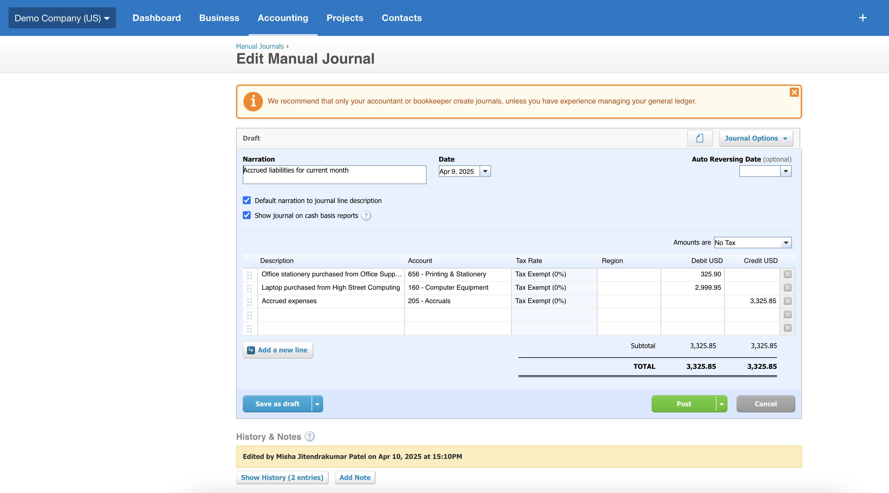

Test Design
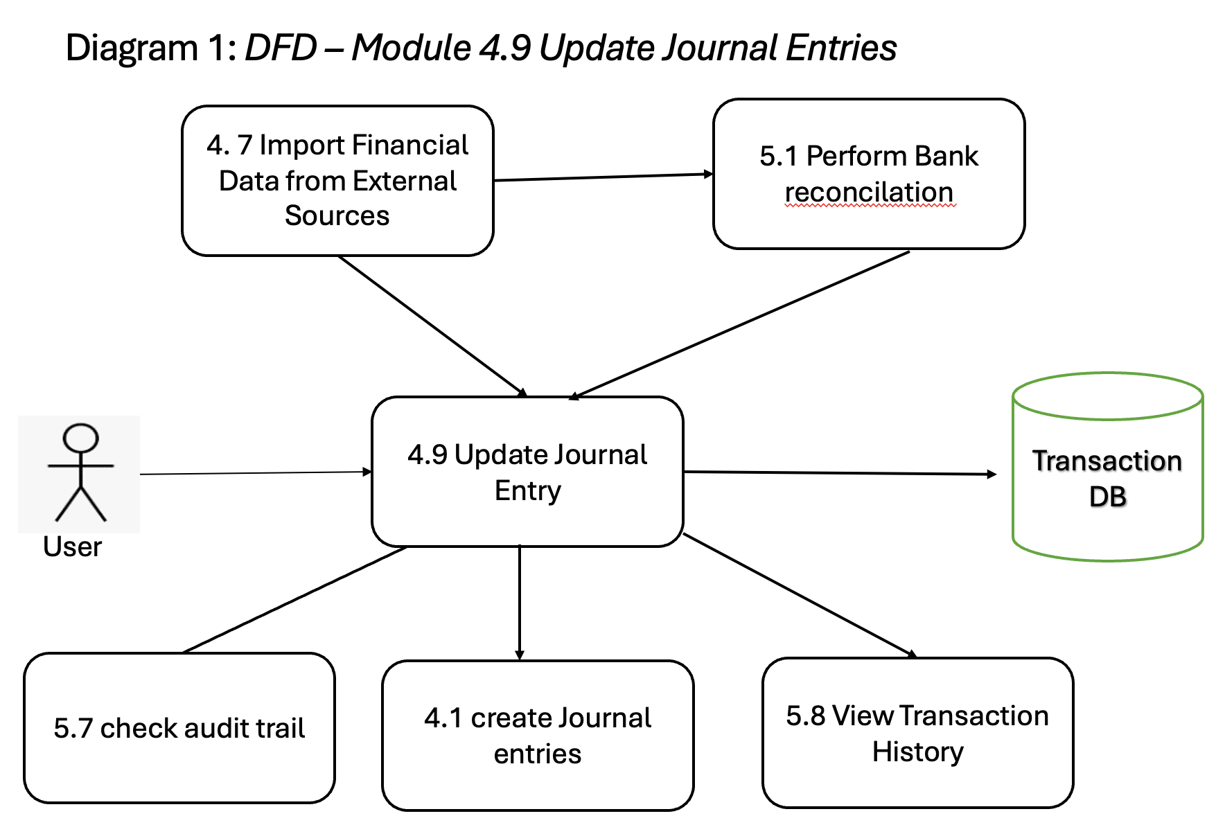
Template Source - IEEE STD.829

User Story title | 4.9 Update Journal Entries

Features to be tested | Features to be tested in the context of this use case include: Core Functionality GUI Features STS – Status ST-Inv - Inv Settings ST-PY - Pay Settings ET-Entitlements FV-Field Validation DDV-Data-Dependency Validation DDD-Data-Driven Defaults CL-Calculations CC-Concurrency CN-Connectivity DF-In DF-Out

Approach refinements (preliminary steps for test design or test execution) | Core Functionality: Verify the system allows users to update previously saved or posted journal entries, ensuring changes are correctly applied, saved, and logged. GUI Features: Ensure all editable fields (e.g., date, narration, accounts, amounts) and buttons (e.g., Save, Post, Cancel) are visible, interactable, and aligned. Validate layout consistency and responsiveness. ET – Entitlements: Verify that only users with proper roles (e.g., Admin, Advisor) can edit or update journal entries. Unauthorized users should be restricted from editing. ST-PY – Pay Settings: Confirm updates involving payroll or payment-related accounts comply with predefined pay settings and configurations. ST-EM – Email Settings: Ensure that updates trigger appropriate email notifications (if enabled), and test related notification preferences. ST-EXP – Expense Settings: Validate that expense-related updates classify entries correctly into appropriate expense categories. AT – Account Type: Confirm that the account type (Asset, Liability, Income, etc.) remains consistent and properly mapped when updates are made. STS – Status: Check that journal status transitions correctly after update actions (e.g., remains Draft or returns to Posted) and is reflected across views and reports. FV – Field Validation: Use boundary and equivalence partitioning techniques to validate updated fields like date, account codes, and amounts. Ensure required fields are not left blank during update. DDV – Data-Dependency Validation: Ensure that updating one field (e.g., account or tax rate) dynamically impacts or validates related fields accordingly. DDD – Data-Driven Defaults: Check whether fields auto-update based on organization settings or user profile when the journal is edited (e.g., default tax code or department). CL – Calculations: Ensure that after an update, debit and credit totals still balance and that calculations reflect new values accurately. CC – Concurrency: Simulate
Webster Dictionary: approach - the taking of preliminary steps toward a particular purpose.

Test identification (test ideas) | TC No | TC Title
 | TC1 | Update an Existing Journal Entry – Core Functionality
 | TC2 | Verify Editable Fields and Action Buttons – GUI Features
 | TC3 | Restrict Update Access to Authorized Roles – ET (Entitlements)
 | TC4 | Validate Pay Settings Impact on Updated Journal – ST-PY (Pay Settings)
 | TC5 | Validate Email Notification Trigger on Journal Update – ST-EM (Email Settings)
 | TC6 | Validate Expense Category Assignment After Update – ST-EXP (Expense Settings)
 | TC7 | Verify Account Type Consistency Post-Update – AT (Account Type)
 | TC8 | Verify Journal Status Update After Editing – STS (Status)
 | TC9 | Field Validation – Required Fields During Update – FV
 | TC10 | Field Validation – Format and Value Rules for Amounts – FV
 | TC11 | Dependency Check – Account/Tax Rate Interaction During Update – DDV
 | TC12 | Auto-Apply Defaults Based on User/Org Settings During Edit – DDD
 | TC13 | Verify Balanced Debit and Credit Totals After Edit – CL (Calculations)
 | TC14 | Simultaneous Edit by Two Users – CC (Concurrency)
 | TC15 | Handle Network Loss While Updating Journal – CN (Connectivity)

Feature pass/fail criteria | A given test case passed testing if all actual results matched the related expected results. If any of the actual results did not match the expected results, the whole test case has the execution status "Fail". This user story passed testing, if all related test cases have been executed and passed testing.

DFD

